Q1
ACTIVITY PR-002 — QUESTION 1

ETC |  | 30-40 minutes
ALO |  | The student will be able to analyze the effect of reactor hydraulic retention time on steady-state substrate removal using HRT calculations and Procera simulation results.
ABET PO |  | PO-6
EUR-ACE PO |  | PO-2
MÜDEK PO |  | PÇ-4.1
Bloom level |  | Analyze

Question |  | Using the prescribed activated-sludge topology and operating conditions below, investigate the effect of hydraulic retention time (HRT) on steady-state substrate removal. Perform a separate steady-state simulation for each specified aerated-reactor surface area, thereby changing the reactor volume while keeping the depth constant. For every case, calculate the reactor HRT, record the effluent readily biodegradable substrate concentration (SS), and calculate the substrate removal efficiency. Plot substrate removal efficiency against HRT and explain the relationship observed. Identify the HRT range beyond which further increases in HRT produce only relatively small improvements in substrate removal

Topology and Procera Setup
Model template |  | Introductory S-X Model.pct
Influent | Flow | 100 m3/h
 | Pattern | Default Multiplicative
 | Characterizat'n | SO = 0 mg/L, SS = 250 mg/L; XH = 0 mg/L
Reactor | Area | 10, 20, 40, 60, 80, 120, 160, 200, 400 m2
 | Depth | 5 m
 | Aeration | Constant DO @ 2 mg/L
 | Initials | SO = 0 mg/L, SS = 5 mg/L; XH = 1000 mg/L
Clarifier | Area | 200 m2
 | Depth | 3 m
 | Inlet layer | 5
RAS flow |  | 100 m3/h
WAS flow |  | 1.5 m3/h
Simulat'n settings |  | Steady-state simulation
Topology figure |  | 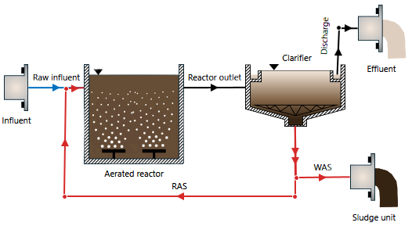 Insert Procera topology screenshot here

Instructions |  | 1. Create a new Procera project using Introductory S-X Model.pct. 2. Build the prescribed topology, including the secondary clarifier, RAS line, and WAS line. 3. Define the influent flow, pattern, and characterization given above. 4. Define the aerated-reactor initial characterization, depth, and constant-DO setting. 5. Define the secondary clarifier and set the RAS and WAS flows as specified. 6. Run Project Check and correct any setup errors. 7. Start with an aerated-reactor surface area of 10 m². With a constant depth of 5 m, this corresponds to a reactor volume of 50 m³. 8. Record the steady-state effluent SS concentration. 9. Repeat the steady-state simulation for reactor surface areas of 20, 40, 60, 80, 120, 160, 200, and 400 m². Keep the reactor depth at 5 m so that only the reactor volume changes. 10. For every case, obtain the reactor volume calculated by Procera and calculate HRT as V/Q using the external influent flow of 100 m³/h. 11. For every simulation, calculate substrate removal efficiency from the influent and effluent SS concentrations. 12. Plot substrate removal efficiency (%) against HRT (h). 13. Examine the shape of the curve and identify the HRT range beyond which additional HRT provides only a relatively small improvement in substrate removal. 14. Explain why substrate removal efficiency changes with HRT.

Requir'd submiss'n |  | 1. Complete written answer to Q1 including your chart. 2. Procera project file (PCM), named Q1.pcm

